Sheet1
 |  | Document No. | Issue No. | Issue Date |  | Review and Replace Date |  | Authorised By
 |  | GFF103MC | 1 | 10.06.2019 |  | New Issue
 |  | Document Title | 4 VEGETABLE SPRING ROLLS 200G
 |  |  | Page 1 of 1 |  | Clause |  | 6.1 | E. Yadamsuren
Document amendments reason for change |  | Document created for existing product |  |  | Previous Issue Date |  | New Issue | Uncontrolled copy unless signed original

CVSR2M-1R6TSP | SPAR |  | 4 VEGETABLE SPRING ROLLS 200G | CHILLED

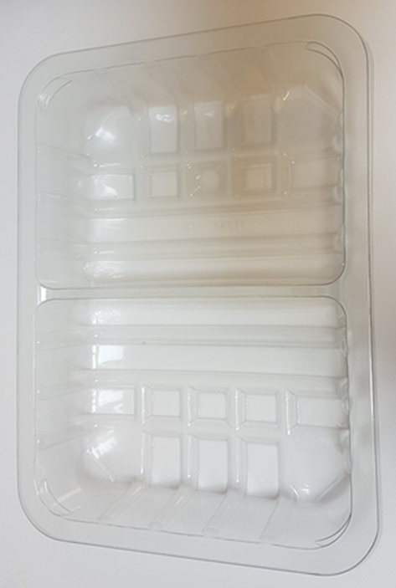 |  |  |  |  | 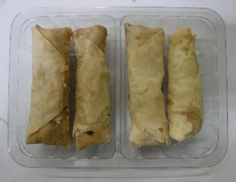

Tray: SK4-Split Clear (PKESSOO1-06) |  |  |  |  | 4 x Vegetable Spring Rolls (GFF114R) 50g
Film: Promens, 410me |  |  |  |  | Total Weight : 200g
ALLERGY ALERT: BARLEY, SOYA, WHEAT

